Sheet1
Jewelry Close Outs 04/18/2025
Photo | SKU | Title | Quantity | Retail Price | Total Retail | Packaging
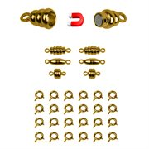 | 2111 | Set of 12 Gold Toned Magnetic Clasps w/ 3 Elegant Designs | 862 | $12.95 | $11,162.90 | Blister Card
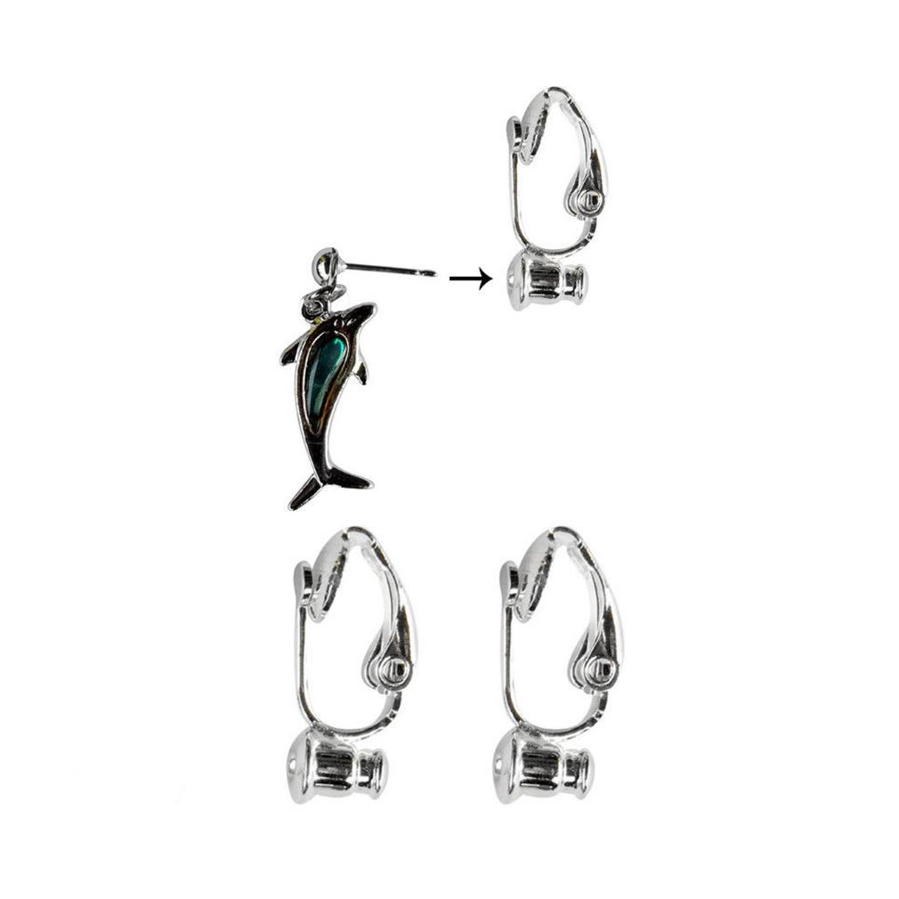 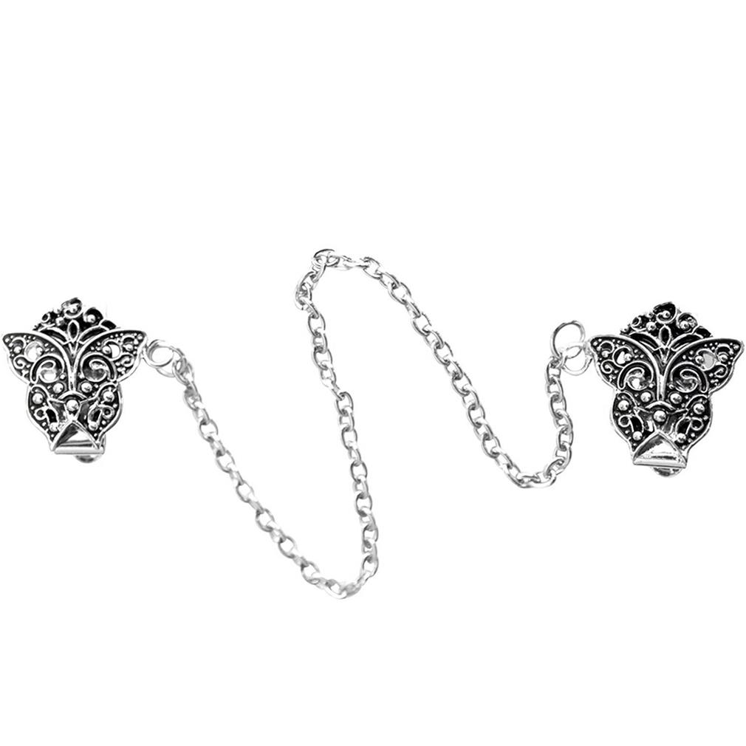 | 2138 | Butterfly Sweater Clip | 1323 | $12.00 | $15,876.00 | Blister Card
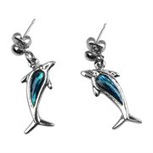 | 2173 | Paua Shell Dolphin Pierced Earrings, Silver-Toned Jewelry | 1173 | $15.95 | $18,709.35 | Blister Card
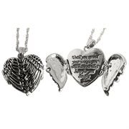 | 2178 | Silver Tone Angel Wings Pendant- 10" | 291 | $19.95 | $5,805.45 | Blister Card
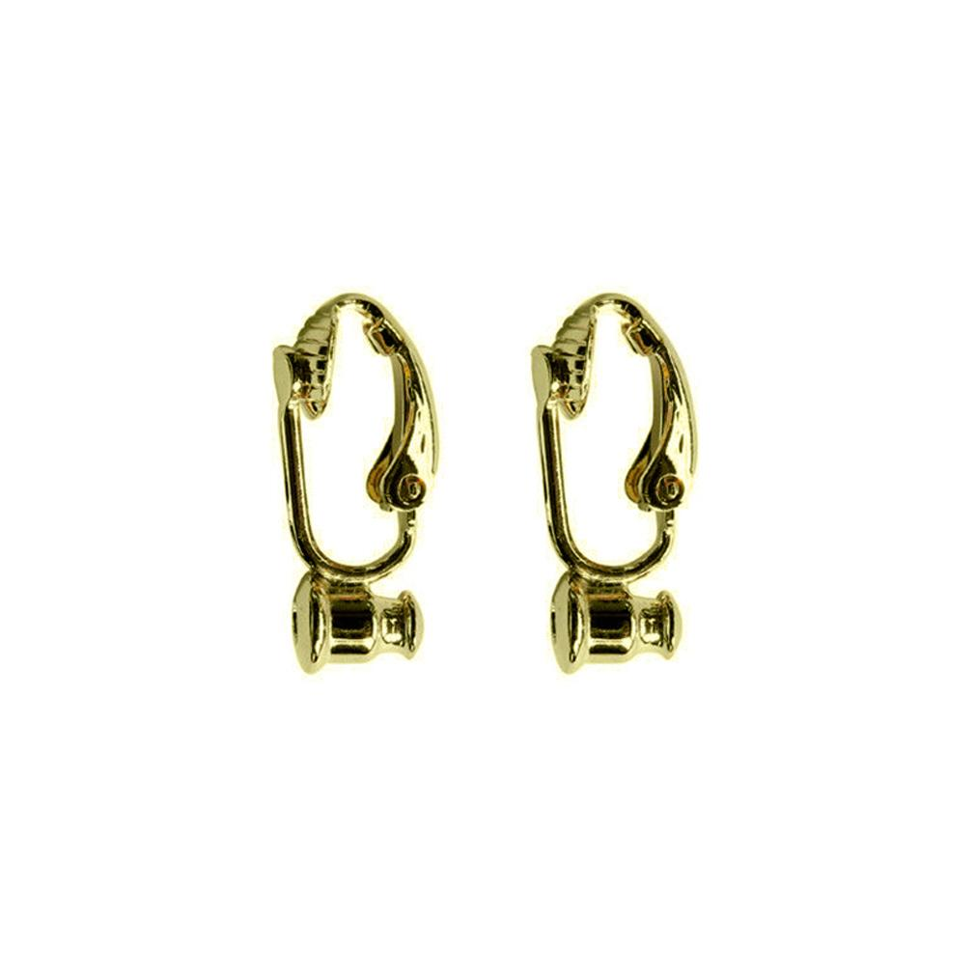 | 2275 | 12-PC Goldtone Earring Converters | 436 | $9.95 | $4,338.20 | White Box
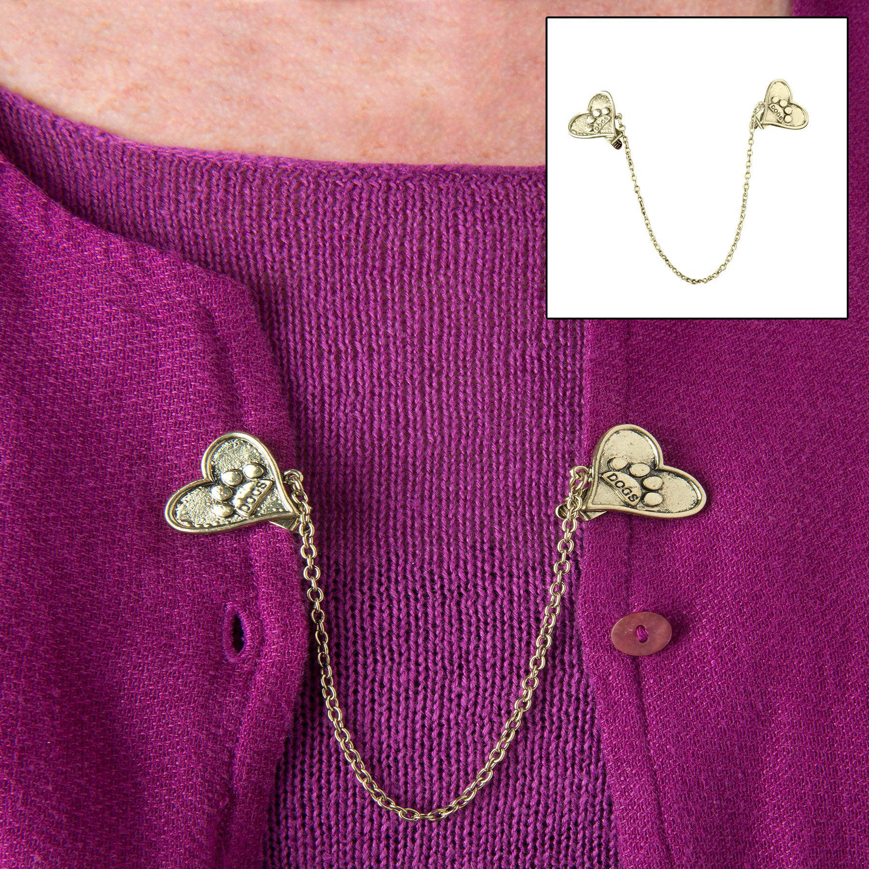 | 2344 | Goldtoned Heart w/ Paw Sweater Clip | 406 | $12.00 | $4,872.00 | Blister Card
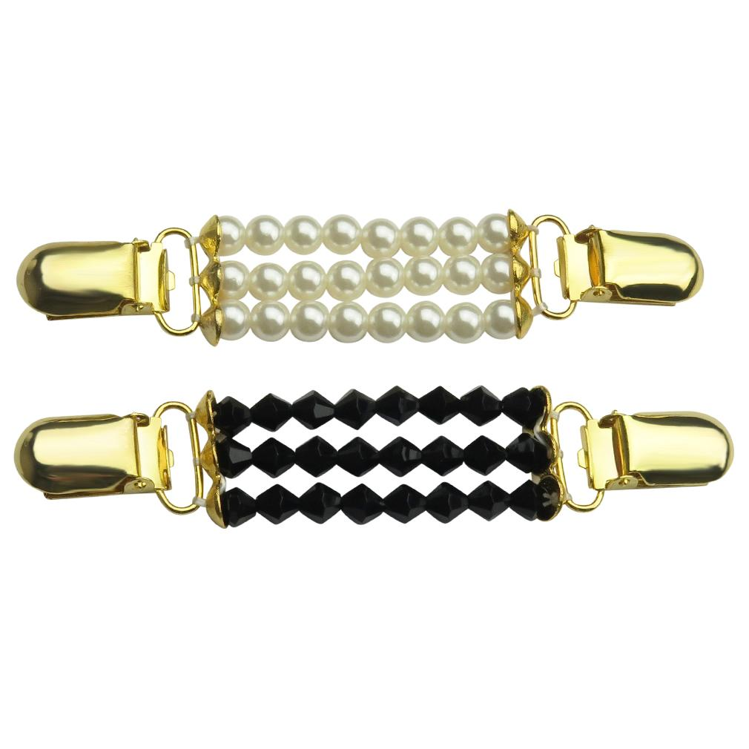 | 3357 | Set of 2 Sweater Clips | 1518 | $16.95 | $25,730.10 | Polybag
 | 3381 | Antique Swirls & Crystals Sweater Clip | 1133 | $9.95 | $11,273.35 | White Jewelry Box
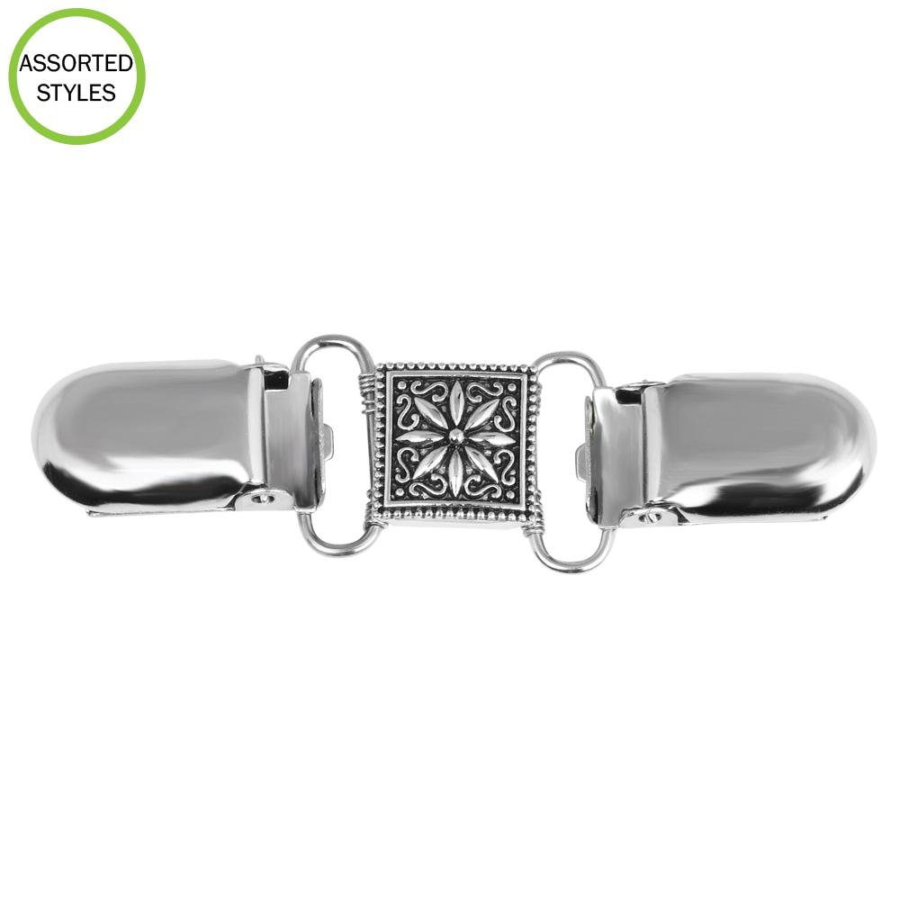 | 3383 | Flower Sweater Clip & Cardigan Clip | 608 | $9.95 | $6,049.60 | Polybag
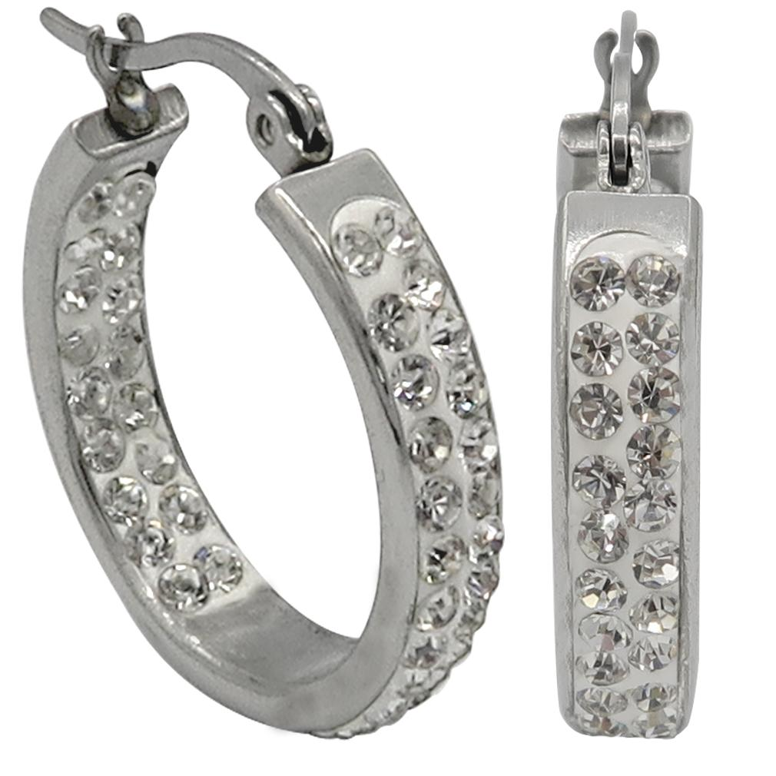 | 3389 | Crystal Hoop Earrings | 204 | $14.95 | $3,049.80 | White Box
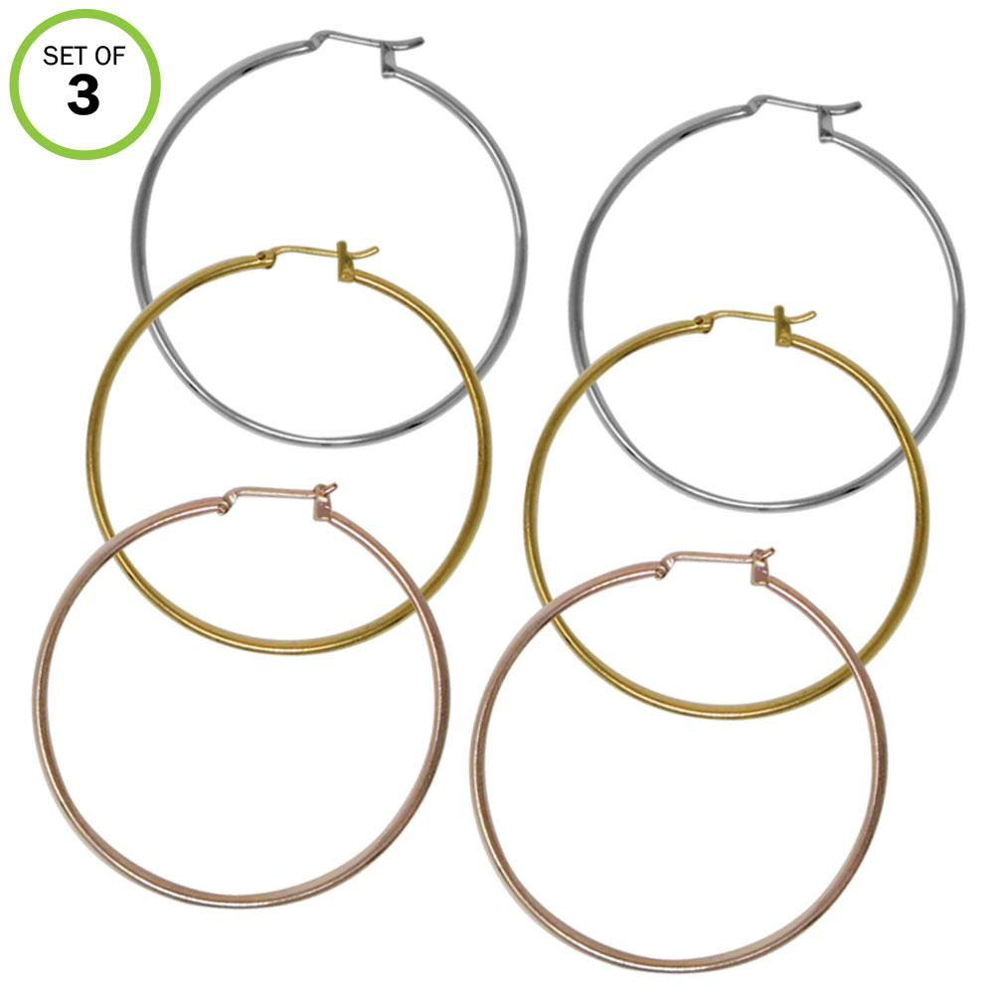 | 3391 | 3 Pairs Hoop Earrings Gold/Silver/ Rose Gold | 814 | $12.00 | $9,768.00 | White Box
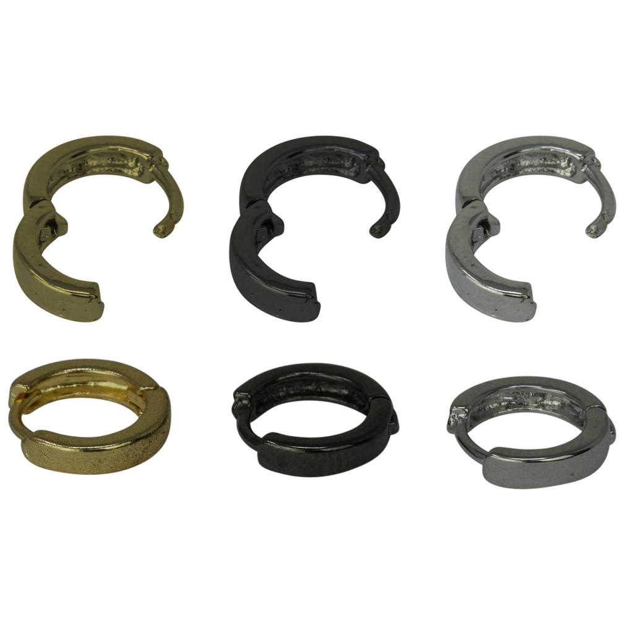 | 3405 | Set of 3 Small Spring Hoop Earrings Various Colors | 253 | $9.95 | $2,517.35 | White Box
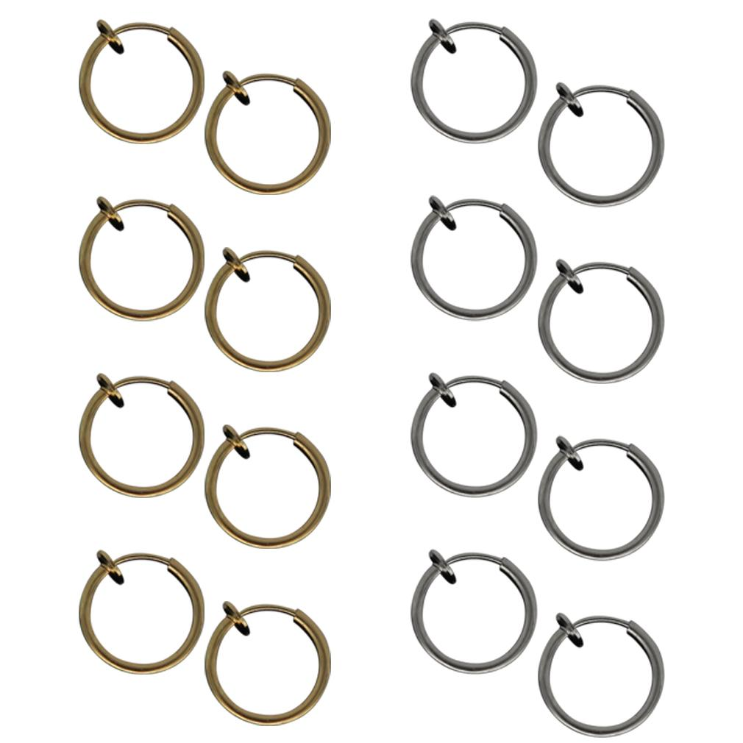 | 3409 | 8 Goldtone& Silvertone Clip On Hoop Earrings | 494 | $14.95 | $7,385.30 | White Box
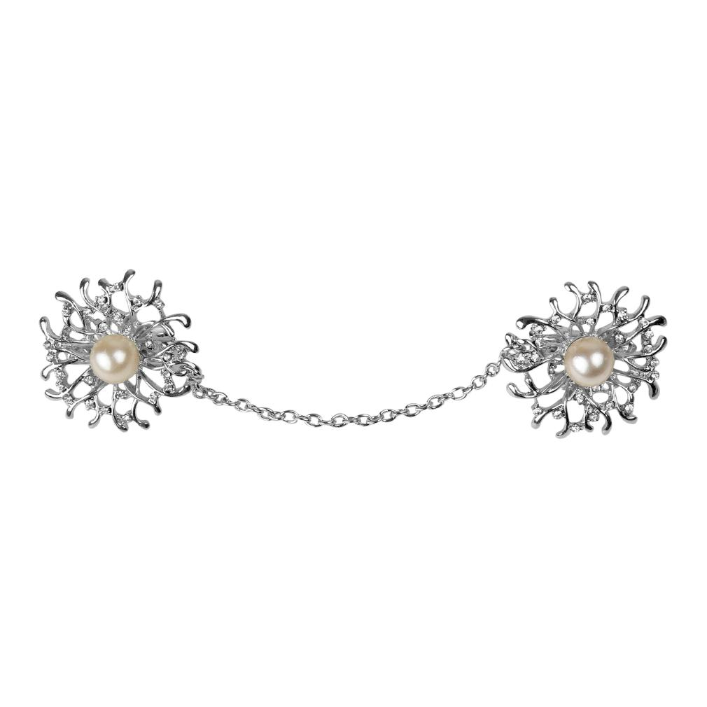 | 5462 | Flower w/ Pink Imitation Pearl Sweater Clip | 592 | $9.95 | $5,890.40 | Polybag
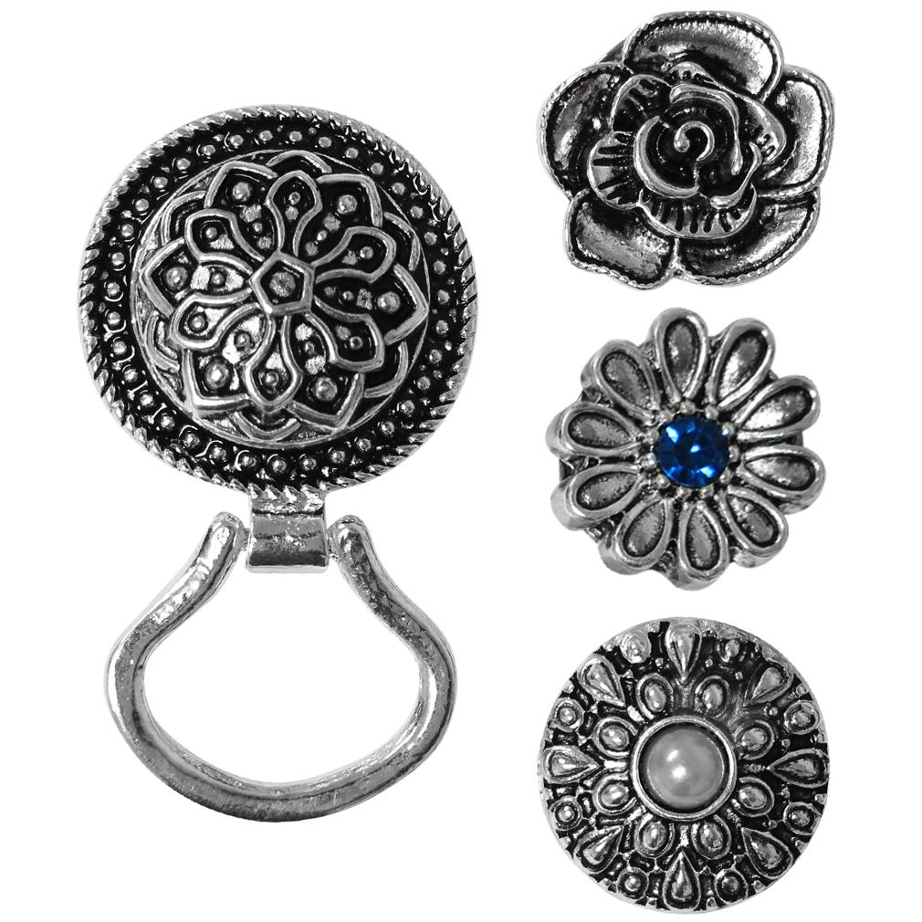 | 5463 | Eyeglass Holder Set/3 Brooch Set | 321 | $12.95 | $4,156.95 | Polybag
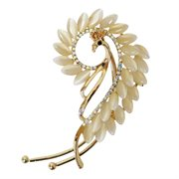 | 5469 | Crystal Art Deco Peacock Left Side Ear Wrap Ear Cuff | 237 | $19.95 | $4,728.15 | Polybag
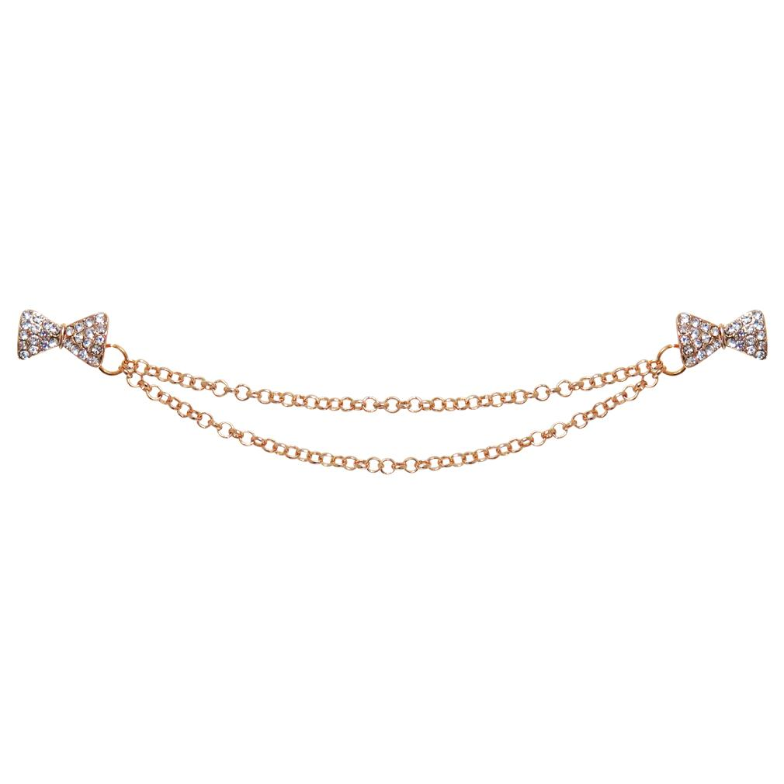 | 5471 | Crystal Bow Tie Collar Clip | 862 | $9.95 | $8,576.90 | Polybag
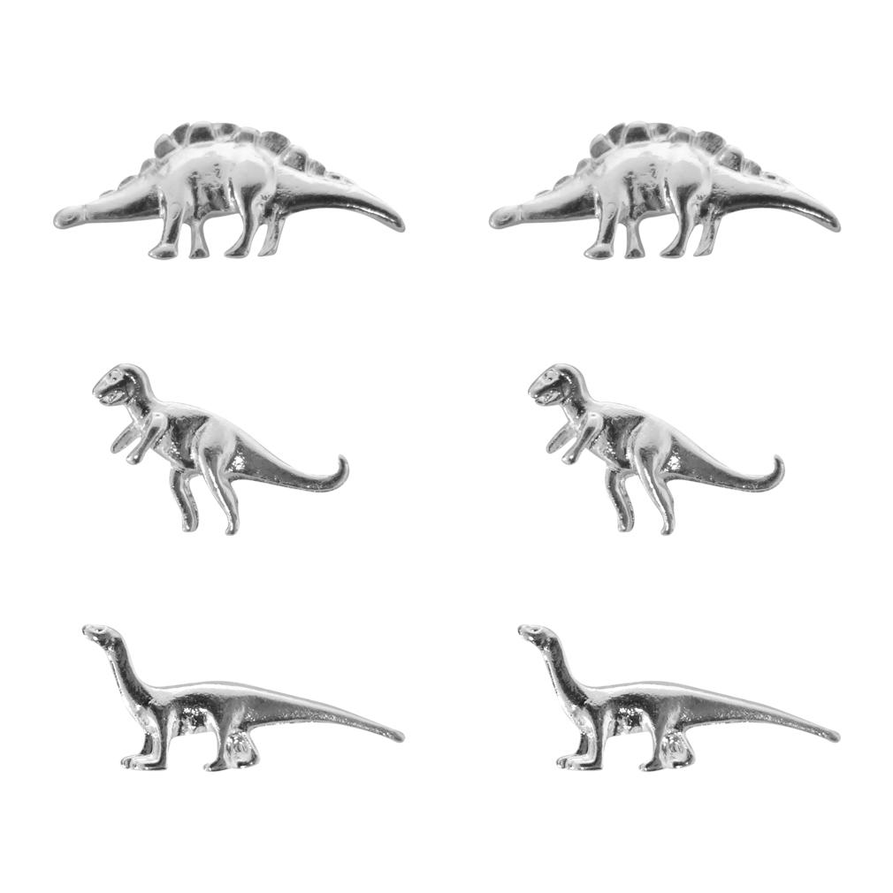 | 5472 | Set of 3 Dinosaur Earrings | 270 | $7.95 | $2,146.50 | Polybag
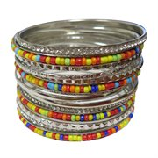 | 5479 | 14 Piece Multi Color Stackable Bangle Bracelet Set | 247 | $16.99 | $4,196.53 | Polybag
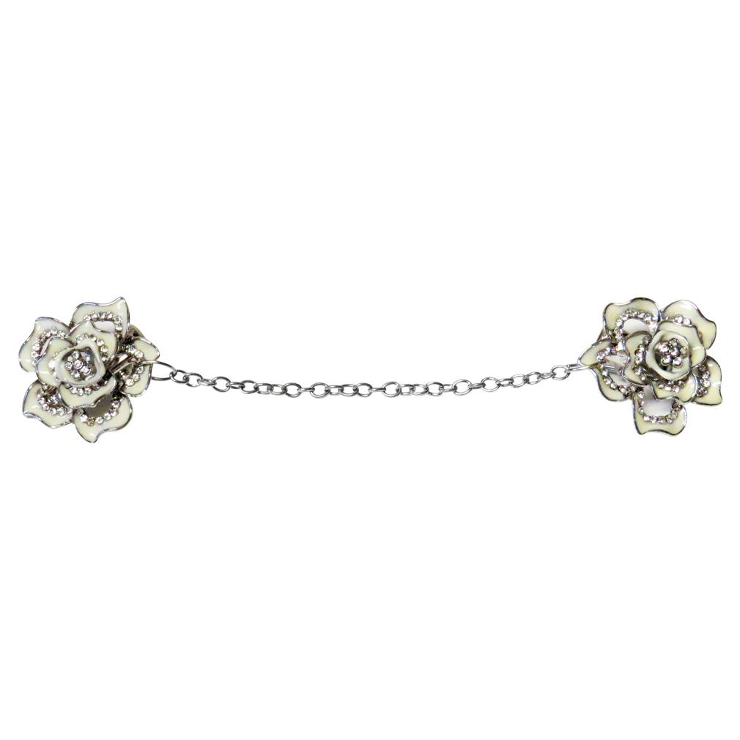 | 5481 | Dainty Flower Sweater Clip | 1750 | $9.95 | $17,412.50 | White Jewelry Box
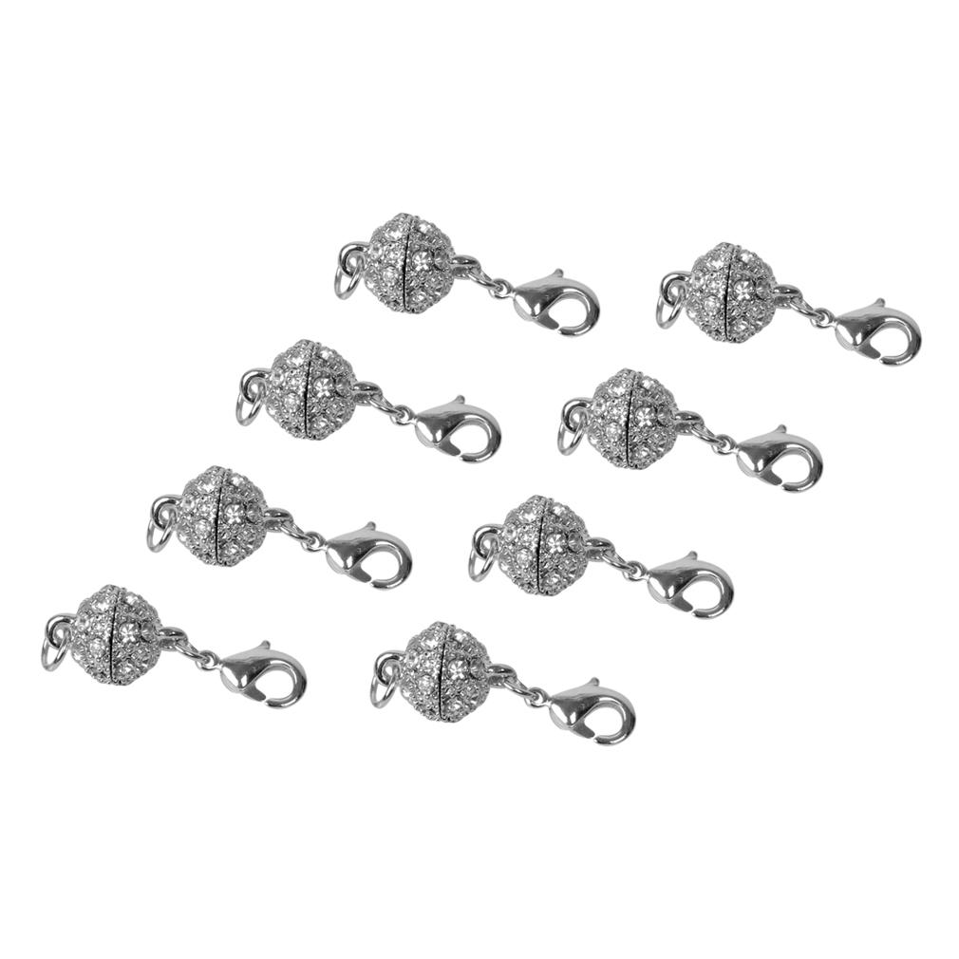 | 5485 | 8 Rhinestone Ball Magnetic Clasps | 769 | $9.00 | $6,921.00 | Polybag
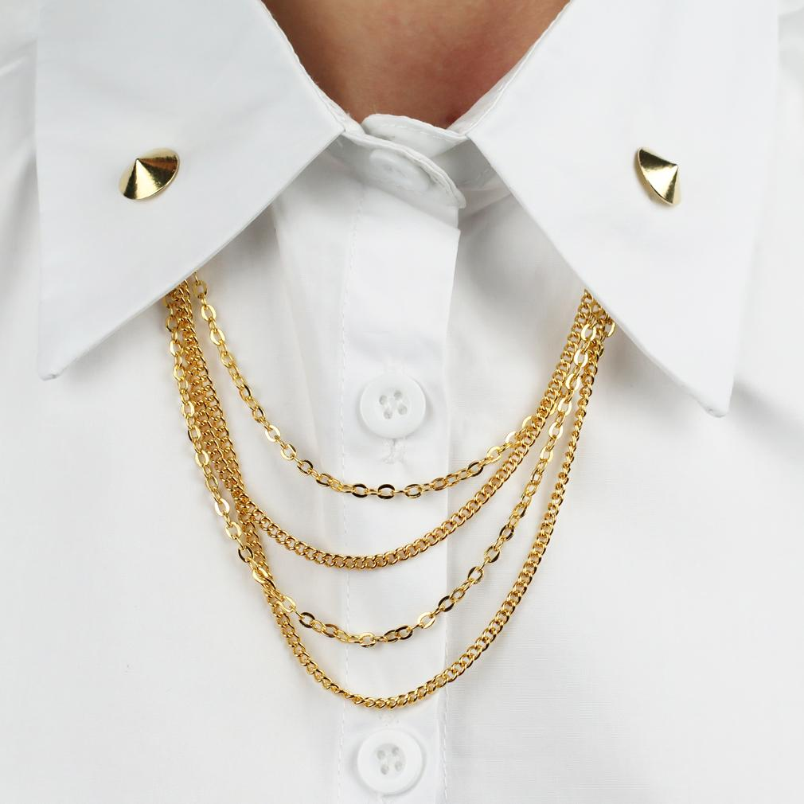 | 5495 | Round Stud Collar Pin Goldtoned | 1005 | $12.00 | $12,060.00 | Polybag
 | 6815 | Set of 4 S Hook Jewelry Extenders | 456 | $5.95 | $2,713.20 | Polybag
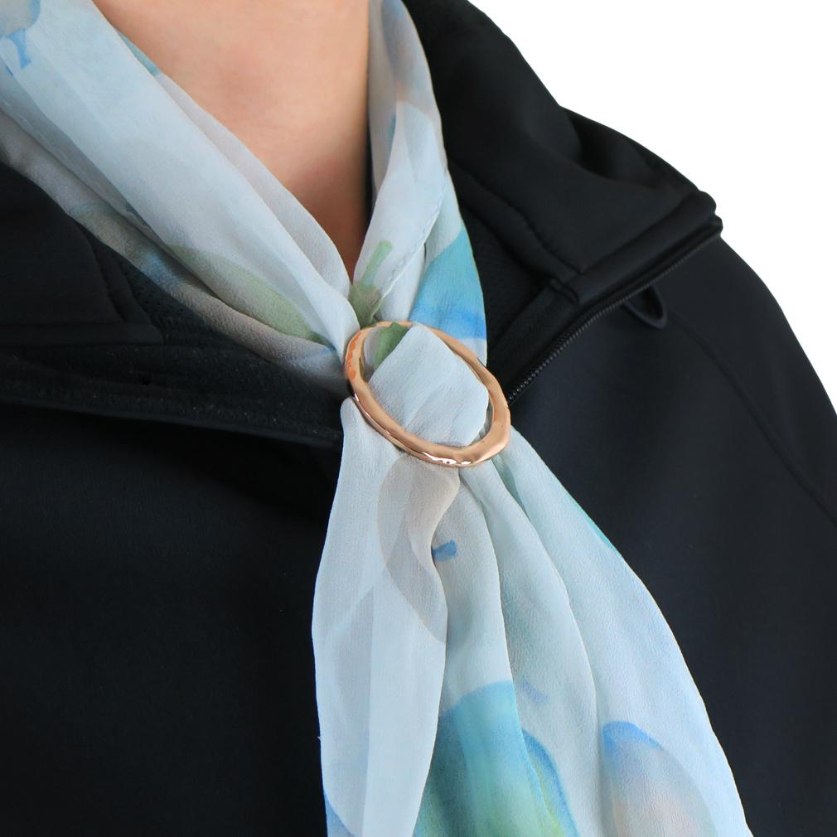 | 6925 | Hammered Goldtoned Round Scarf Ring | 279 | $7.95 | $2,218.05 | Polybag
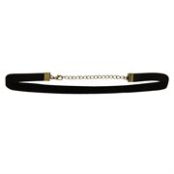 | 8012 | Black Classic Choker Necklace, 15" | 268 | $12.00 | $3,216.00 | Polybag
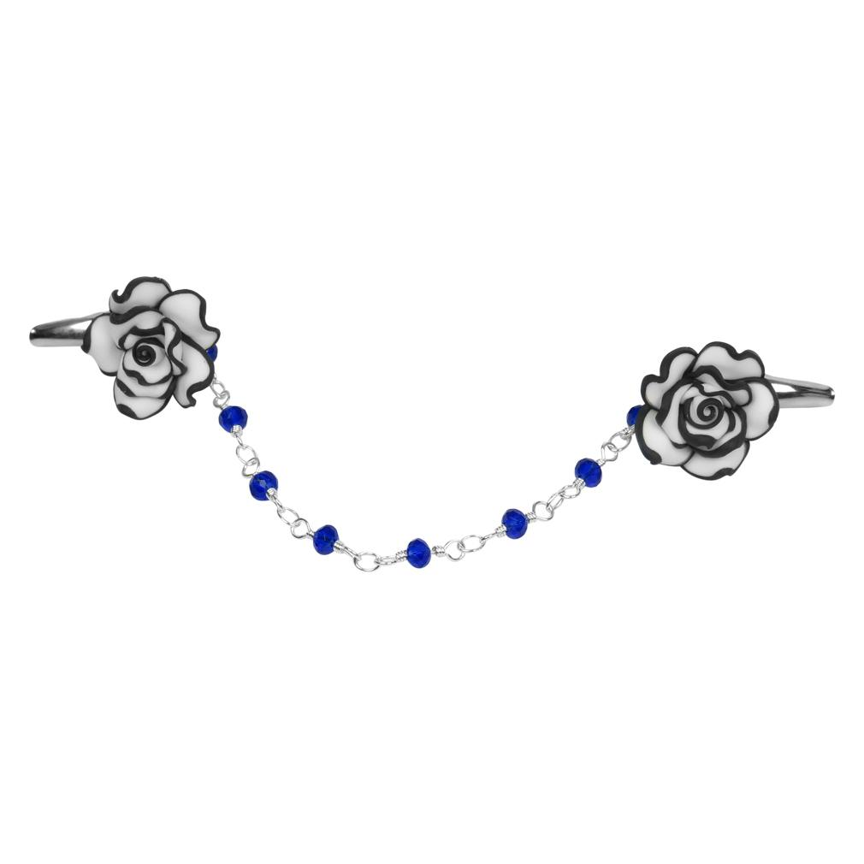 | 5505 | Black & White Flower Sweater Clip | 516 | $9.95 | $5,134.20 | White Box
 |  |  | 17,087 |  | $205,907,78

